Sheet1
Test Condition | Test Procedure | Expected Result | Actual Result | Test Status | Comments
Welcome screen should open. | Run the main class in the program and see the outcome. | Screen Should say'Hi! Welcome to the Komal's Casino, What is your name?' |  | Pass
Should be able to enter player's name and offer him to play Black Jack. | After running the program, enter Gareth. | Should allow you to take the name and offer the player to play the Black Jack Game and should ask for the money-> 'Hello, Gareth, lets play some BlackJack! How much cash do you want to start with?' | 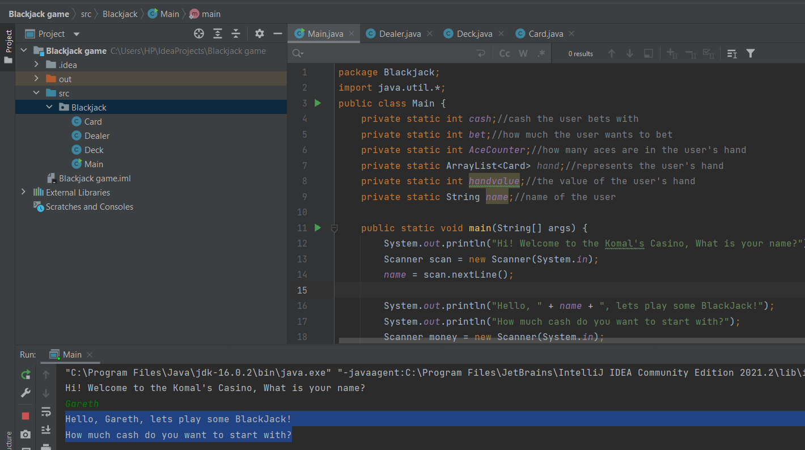
Check the cash to be displayed correctly. | Enter money 5000 and press enter. | Shold let you enter the money. Program should say-> You start with cash: 5000 How much would you like to bet? | 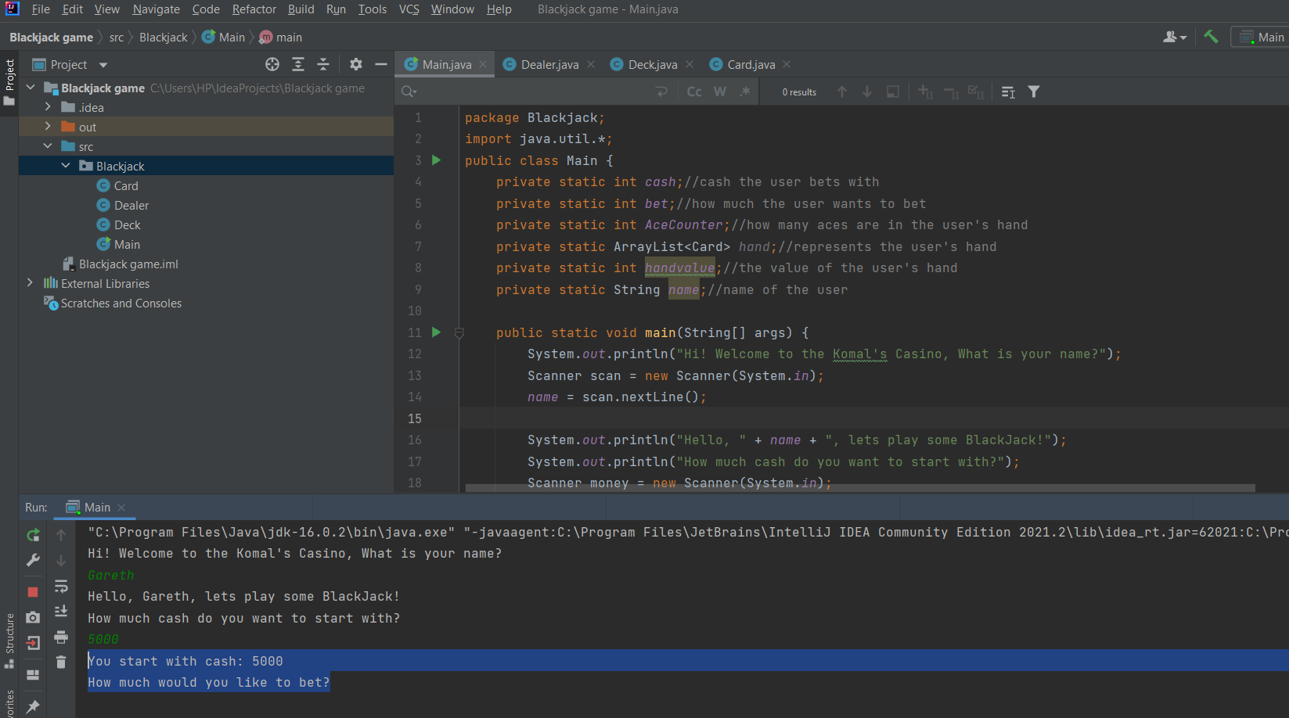
Check the bet amount and the remaining cash. Also see your(2 cards) and the dealer's card(1). | Enter bet amount 1000. | System should let you enter the amount and should show the card for the player and the Dealer with reamining cash on the Top. Also ask for double down the amount or not. Cash:4000 Money on the table:1000 Here is your hand: [King of Hearts, Three of Hearts] The dealer is showing: [Four of Spades] Would you like to double down? Yes/No | 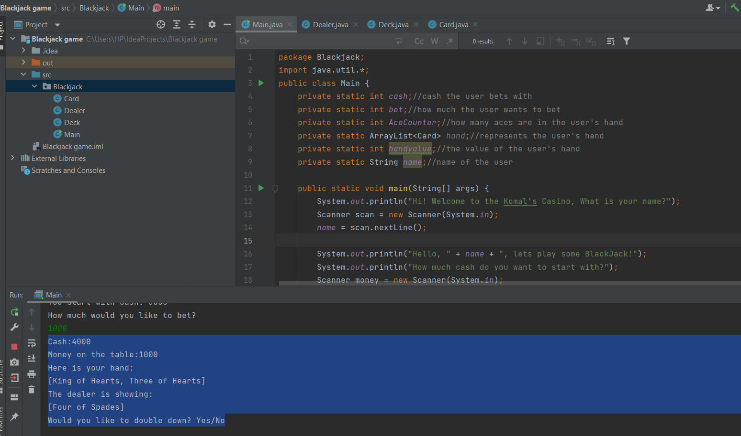 |  | Value and the ranks of the cards are Random. Can not be the same all time.
Check the double function. | a)Enter any random alphabet-> deghsfh b) Enter Yes. c) Enter No. | a) Should say -> Please enter yes or no. b) Should be visible-> You have opted to double down! Cash:3000 Money on the table:2000 Would you like to hit or stand? c) Should be visible-> You have not opted to double down! 'Would you like to double down? Yes/No no Would you like to hit or stand?' | 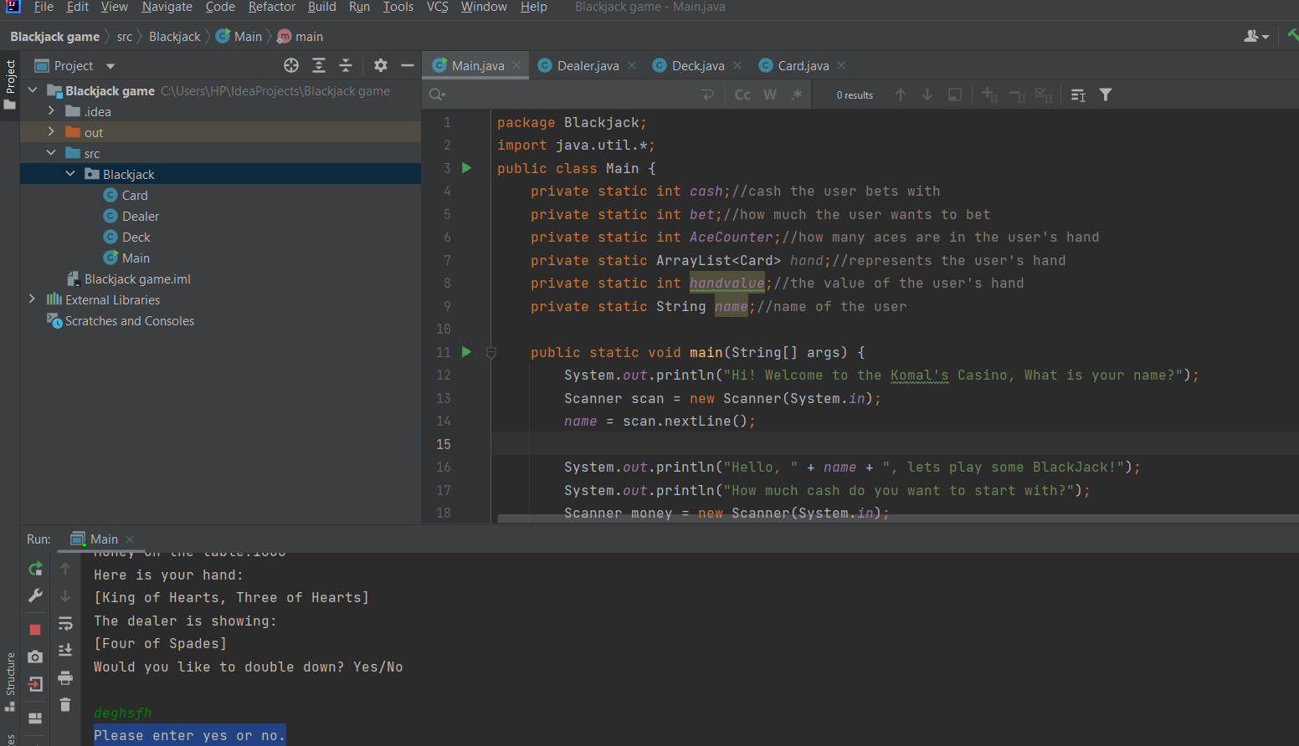 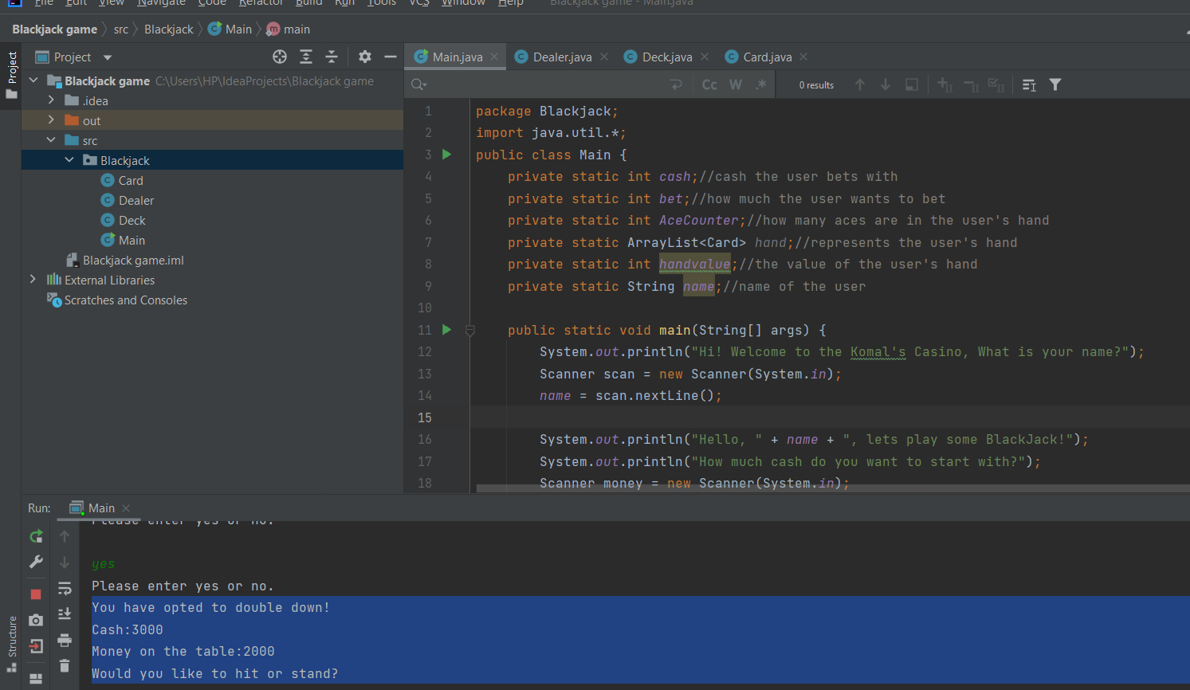
Checking Hit and Stand Functionality. | a) Enter Hit. b) Enter Stand | If your value is < 21, system should ask you for second hit adding your third card value. Please enter 'hit' or 'stand'. Your hand is now: [King of Hearts, Three of Hearts, Eight of Hearts] Would you like to hit or stand? | 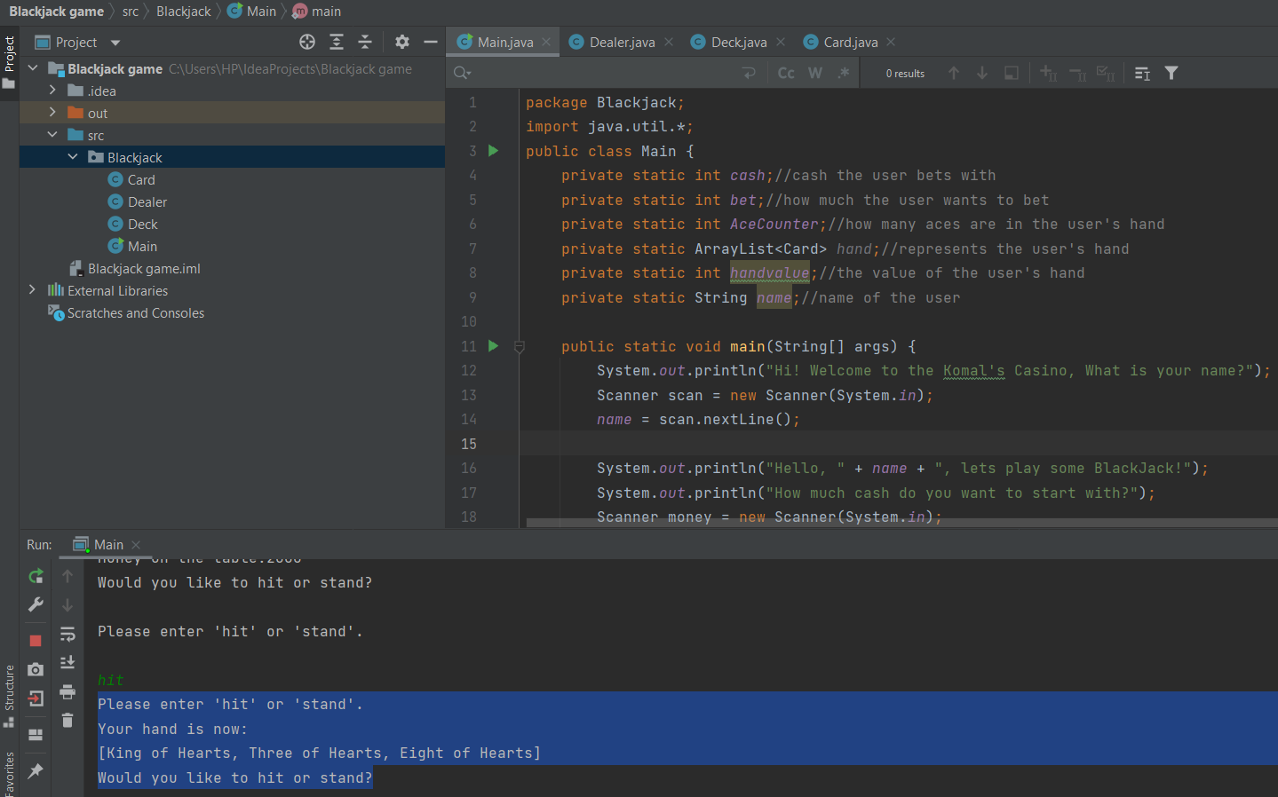
Winning functionality | Enter Hit till the player's total count <21. | If player's count is greater than Dealer's count and <= 21, then Player will win the game and his winning amount should get double. Should ask again for playing. | 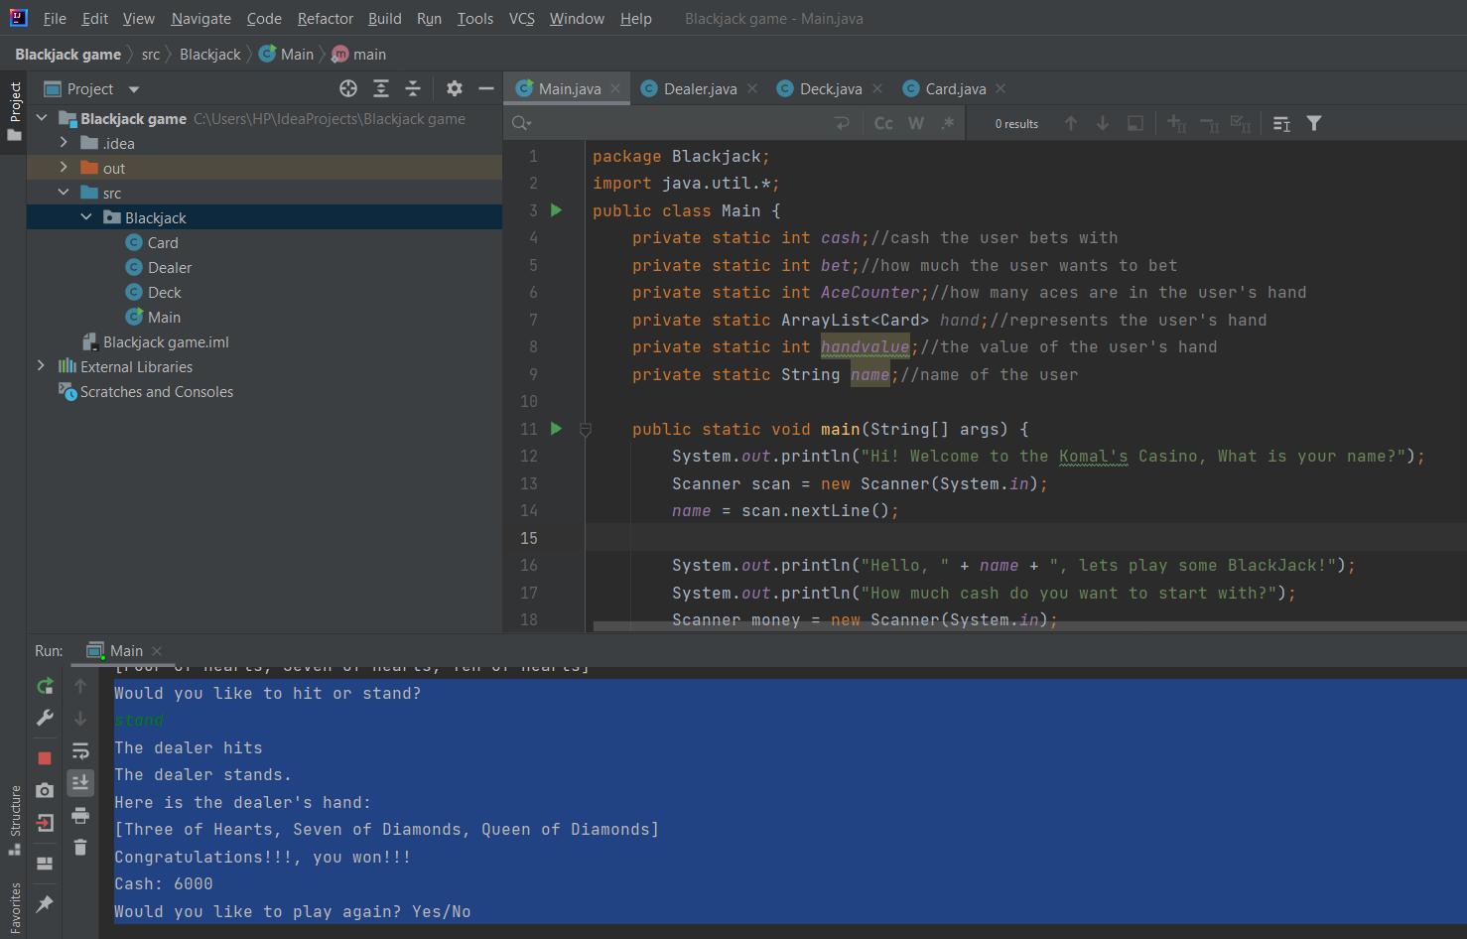
Lossing functionality. | Enter Hit till the player's total count <21. | If player's count is less than the Dealer's count or value goes > 21 then Player will loose the game and will also loose the amount. Should ask again for playing, by showing the amount remaining. | 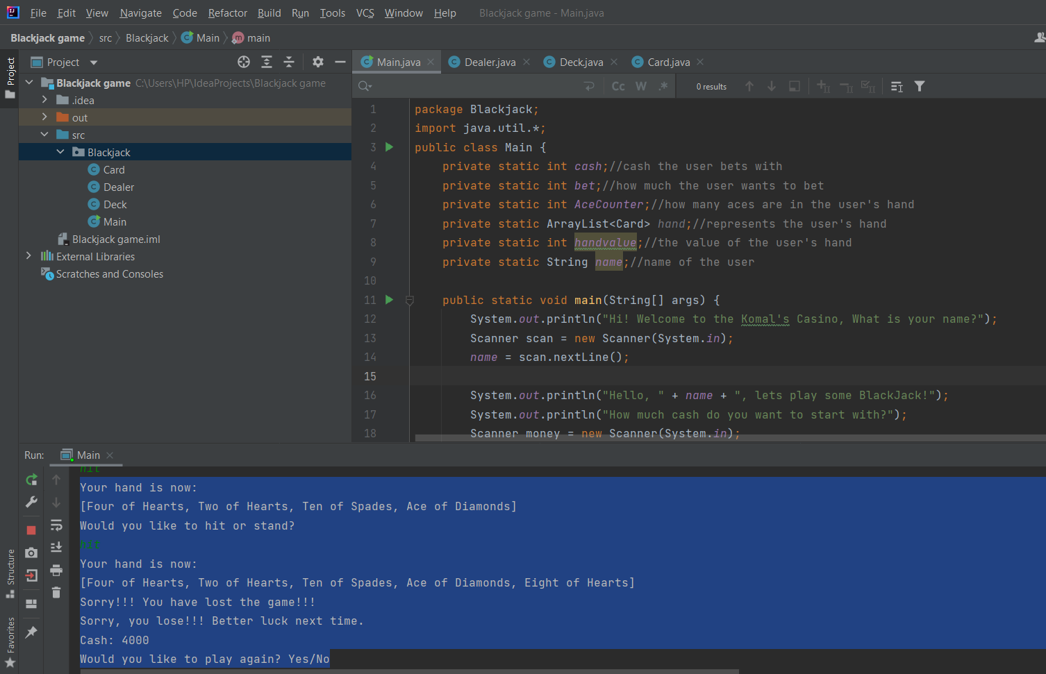
Logging out | Enter No. | Let you exit the game without any errors and showing you the remaining money. | 